Operational Overview
OPERATIONAL OVERVIEW
AbaQulusi Plaza

1 | MONTHLY SITE VISIT DATES | 03/10/2025

2 | STRUCTURAL REPAIRS: | Plaster band at Shoprite is now complete. Urgent Structural repairs need to be completed behind Clicks and Pircard Rebel needs to take place as the wall shifts leading to internal partitions falling off.

 |  | 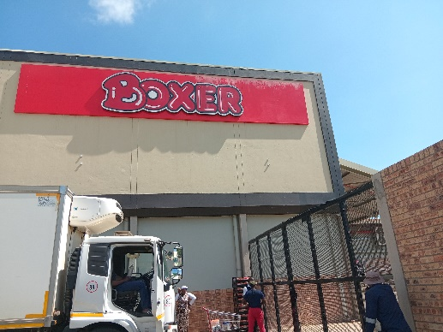 |  |  |  | 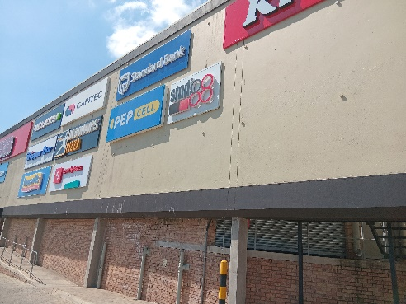

3 | COSMETIC REPAIRS: | Tiles need to be installed at the wall against Standard Bank. Quotes received form D en G.

 |  |  |  |  |  | 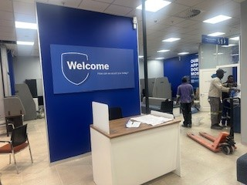

4 | ROOFING AND WATERPROOFING: | Water proof coating needs to be done at shoprite liquor roof slab. ( to be done by projects)

 |  | 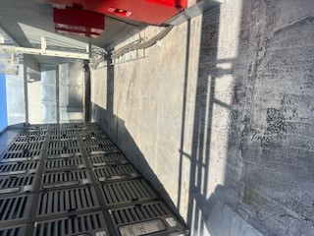 l |  |  |  | 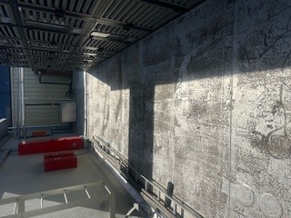

5 | GUTTERS & DOWNPIPES: | Downpipes around rank and Mason st needs attention to be done by handyman

 |  | 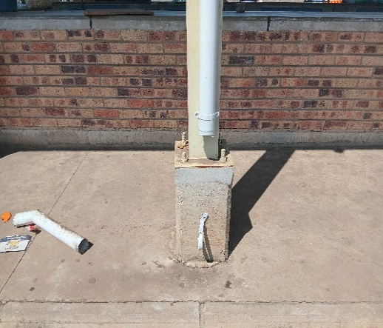 |  |  |  | 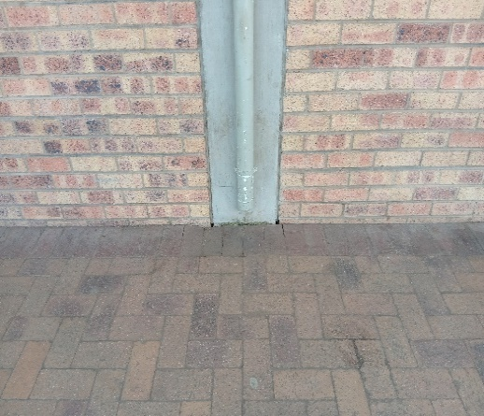

6 | ELECTRICAL, GENERATORS AND TRANSFORMERS: | Infrared scanning done in February 2025, no other issues to report. Installation of drip treys project and oil sample testing done,next test to be done September 2026.

 |  | 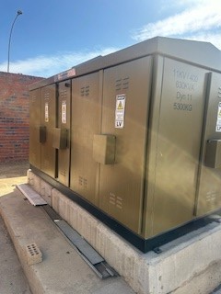 |  |  |  | 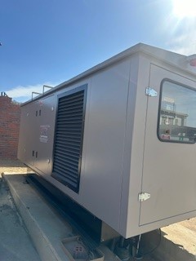

7 | PLUMBING, BOREHOLES AND JOJO TANKS: | Borehole is now working properly. Last service was in October. More meters to be installed. We are waiting for a quotation and parts. Water sampling took place in October 2025

 |  | 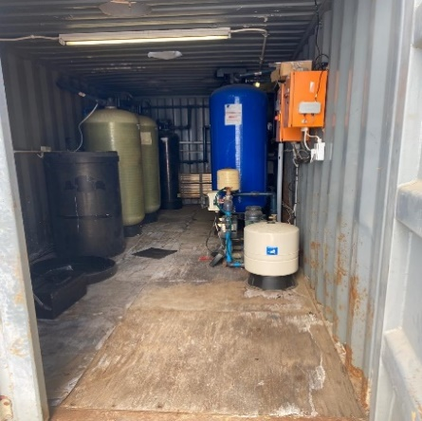 |  |  |  | 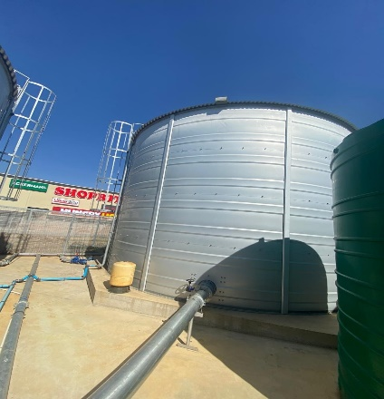

8 | SOLAR MAINTENANCE: | One broken solar panel, call has been logged, awaiting contractor to replace.

 |  | 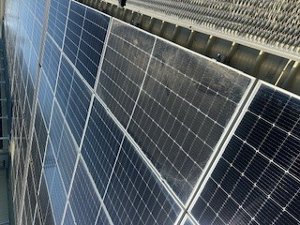 |  |  |  | 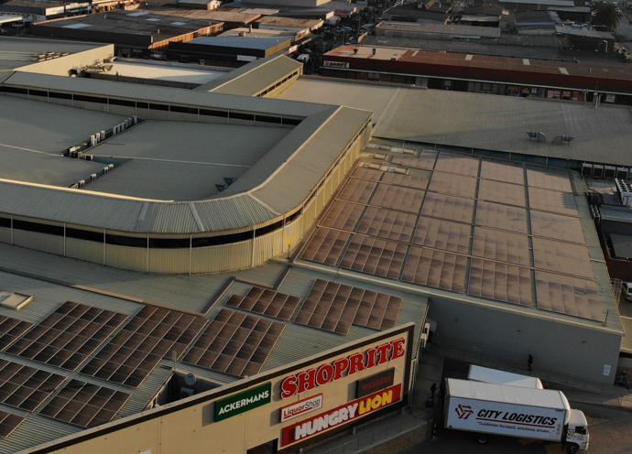

9 | FIRE PROTECTION: | Some fire equipment has leaks after the KFC sprinkler installation this has been escallated to Secure fire to be sorted before 20/11/25

 |  | 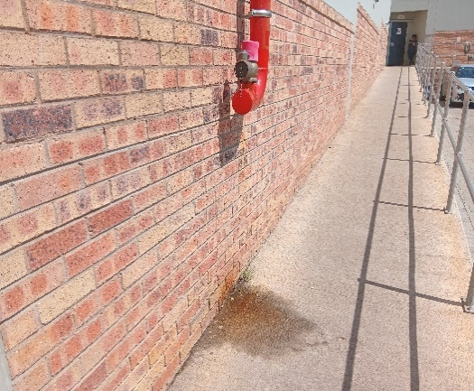 |  |  | 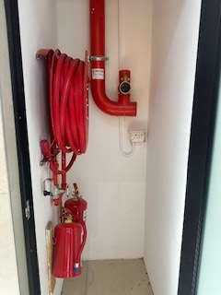

10 | TENANT MOVEMENTS: | New Tenants KFC & Sanlam are now operational. All signage installation have been approved by the landlord.

 |  | 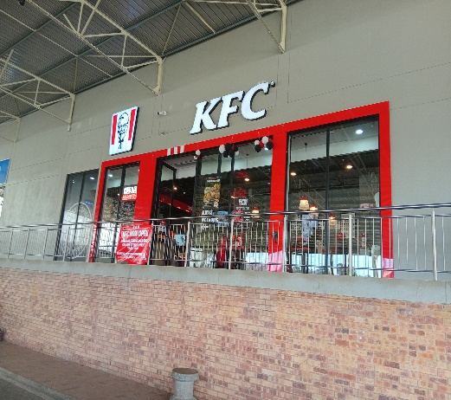 |  |  |  | 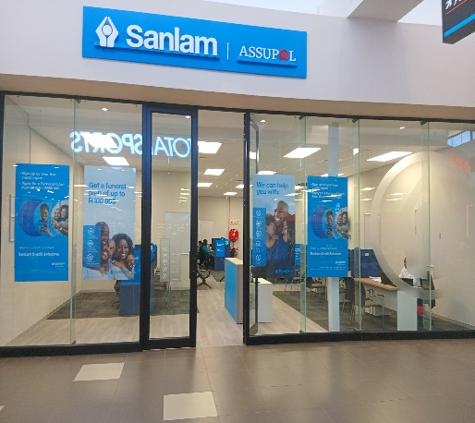

11 | HVAC: | All units are in good working condition. Monthly maintenance services are being carried out by Total comfort.

 |  | 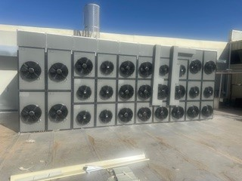 |  |  |  | 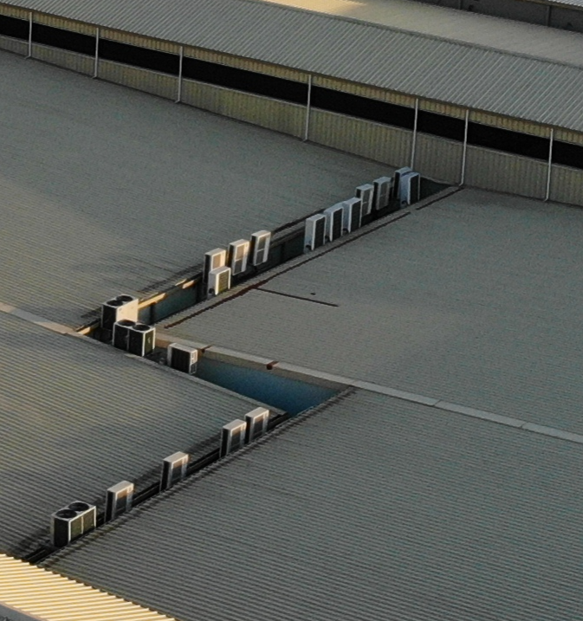

13 | SIGNAGE: | All signage are in good working condition .

 |  | 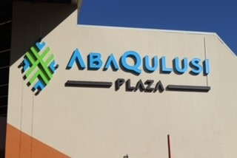 |  |  |  | 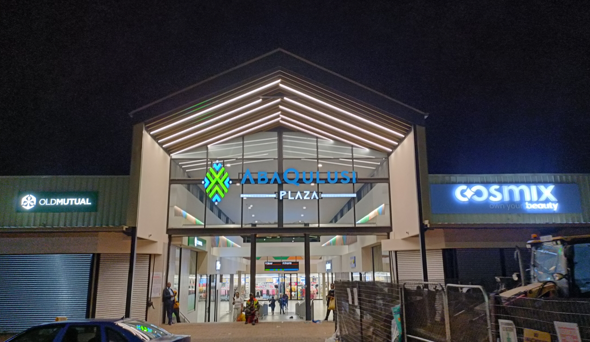

GENERAL

1 | DATE OF LAST NIGHT INSPECTION:03/10/2025 | YES | NO | COMMENT
 |  | X |  | 14/10/2025, Night visit by onsite ops
2 | DATE OF LAST ROOF INSPECTION: 13/10/2025
 |  | X |  | 13/10/2025
3 | ASSET REGISTER IN PLACE & UPDATED?
 |  | X |  | On File - Busy getting the asset register updated
4 | ALL SLA'S SIGNED AND IN PLACE?
 |  | X |  | All SLA’s have been signed
5 | ANNUAL SERVICES DONE AS PER BUDGET?
 |  | X |  | Services completed when due
6 | INCIDENTS REPORTED FOR THE MONTH
 | none

